Rating Scales RPN
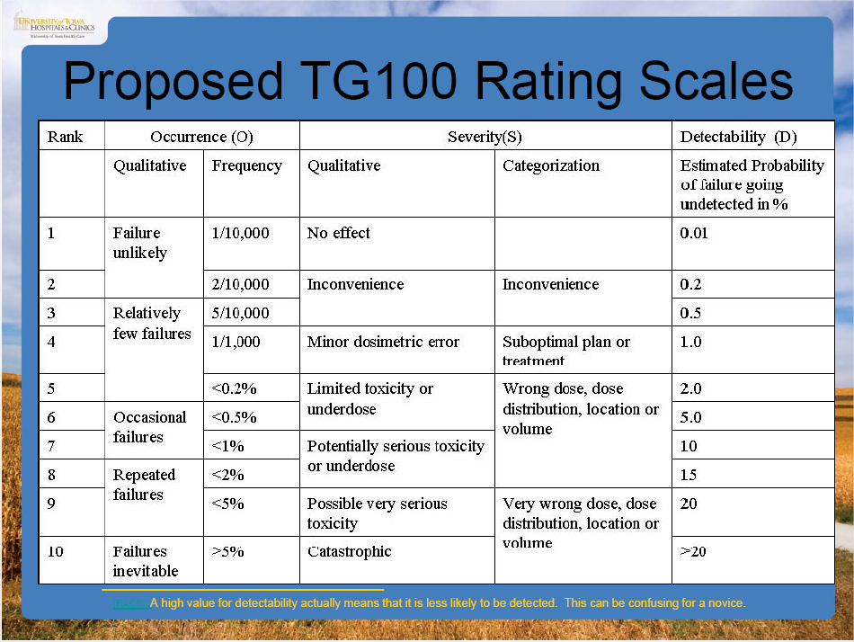
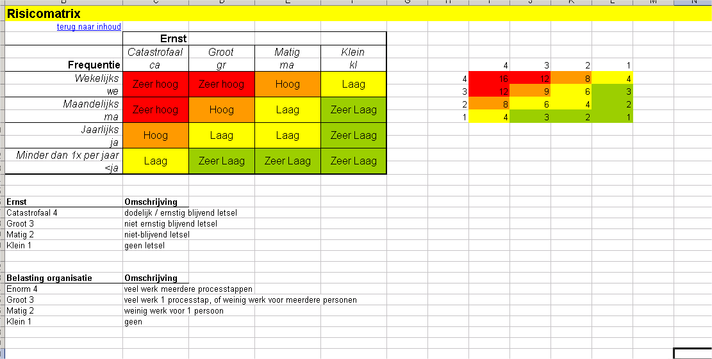
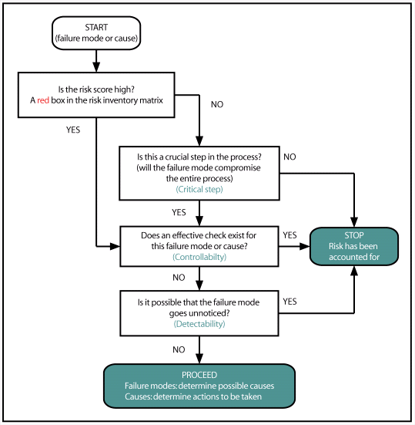

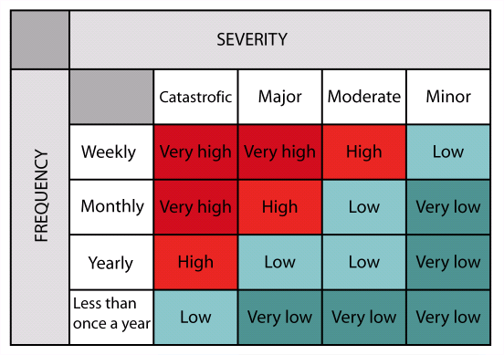
 | Continue at: | 9
 | Tresholds: | 4 | 8 | 12

 | 4 | 3 | 2 | 1
4 | 16 | 12 | 8 | 4
3 | 12 | 9 | 6 | 3
2 | 8 | 6 | 4 | 2
1 | 4 | 3 | 2 | 1

